Original

 |  |  |  | Answer Expected |  | https://www.linkedin.com/feed/update/urn:li:activity:7278258300758937600/
Task | Plan Start | Predecessor | Duration | Plan Start | Plan End
Start | 2024-12-01 |  | 0 | 2024-12-01 | 2024-12-01
Task1 |  | Start | 4 | 2024-12-01 | 2024-12-05
Task2 |  | Task1 | 10 | 2024-12-05 | 2024-12-15
Task3 |  | Start | 8 | 2024-12-01 | 2024-12-09
Task4 |  | Task2 | 3 | 2024-12-15 | 2024-12-18
Task5 |  | Task1 | 7 | 2024-12-05 | 2024-12-12
Task6 |  | Task5 | 5 | 2024-12-12 | 2024-12-17
Task7 |  | Task5 | 10 | 2024-12-12 | 2024-12-22
Task8 |  | Task7 | 4 | 2024-12-22 | 2024-12-26
End |  | Task8 | 0 | 2024-12-26 | 2024-12-26

List the Plan Start and End dates for all tasks based on the predecessor relationship (Finish-to-Start dependency : task's start date is determined by the end date of its predecessor)
Ex. Task 1 : Plan Start = 1-Nov (Predecessor End Date)
Plan End = 1-Nov + 5 (Duration) = 6-Nov
Task 2 : Plan Start = 6-Nov (late day between Task1 and Start)
Plan End = 6-Nov + 2 (Duration) = 8-Nov

Alt1
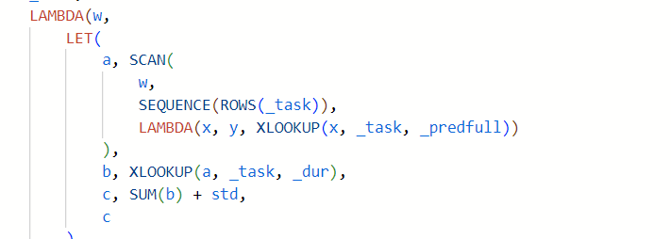
 |  |  |  | Answer Expected |  |  |  |  |  |  | https://www.linkedin.com/feed/update/urn:li:activity:7278258300758937600/
Task | Plan Start | Predecessor | Duration | Plan Start | Plan End
Start | 2024-12-01 |  | 0 | 2024-12-01 | 2024-12-01
Task1 |  | Start | 4 | 2024-12-01 | 2024-12-05
Task2 |  | Task1 | 10 | 2024-12-05 | 2024-12-15
Task3 |  | Start | 8 | 2024-12-01 | 2024-12-09
Task4 |  | Task2 | 3 | 2024-12-15 | 2024-12-18
Task5 |  | Task1 | 7 | 2024-12-05 | 2024-12-12
Task6 |  | Task5 | 5 | 2024-12-12 | 2024-12-17
Task7 |  | Task5 | 10 | 2024-12-12 | 2024-12-22
Task8 |  | Task7 | 4 | 2024-12-22 | 2024-12-26
End |  | Task8 | 0 | 2024-12-26 | 2024-12-26

 | Great use of SCAN |  |  | Model approach actually works pretty well

 |  |  |  | Task7
 |  |  |  | PredFull |  |  | Start | Finish
 | Plan Start | PLan End | Start | Start | Task5 | 7 | 2024-12-12 | 2024-12-22 | 45638|45648
 | 2024-12-01 | 2024-12-01 | Task1 | Start | Task1 | 4
 | 2024-12-01 | 2024-12-05 | Task2 | Task1 | Start | 0
 | 2024-12-05 | 2024-12-15 | Task3 | Start | Start | 0
 | 2024-12-01 | 2024-12-09 | Task4 | Task2 | Start | 0
 | 2024-12-15 | 2024-12-18 | Task5 | Task1 | Start | 0
 | 2024-12-05 | 2024-12-12 | Task6 | Task5 | Start | 0
 | 2024-12-12 | 2024-12-17 | Task7 | Task5 | Start | 0
 | 2024-12-12 | 2024-12-22 | Task8 | Task7 | Start | 0
 | 2024-12-22 | 2024-12-26 | End | Task8 | Start | 0
 | 2024-12-26 | 2024-12-26

 |  |  |  |  |  |  | 45638|45648
 |  |  |  |  |  | Start | 45627|45627 | 2024-12-01 | 2024-12-01 | TRUE | TRUE
 |  |  |  |  |  | Task1 | 45627|45631 | 2024-12-01 | 2024-12-05 | TRUE | TRUE
 |  |  |  |  |  | Task2 | 45631|45641 | 2024-12-05 | 2024-12-15 | TRUE | TRUE
 |  |  |  |  |  | Task3 | 45627|45635 | 2024-12-01 | 2024-12-09 | TRUE | TRUE
 |  |  |  |  |  | Task4 | 45641|45644 | 2024-12-15 | 2024-12-18 | TRUE | TRUE
 |  |  |  |  |  | Task5 | 45631|45638 | 2024-12-05 | 2024-12-12 | TRUE | TRUE
 |  |  |  |  |  | Task6 | 45638|45643 | 2024-12-12 | 2024-12-17 | TRUE | TRUE
 |  |  |  |  |  | Task7 | 45638|45648 | 2024-12-12 | 2024-12-22 | TRUE | TRUE
 |  |  |  |  |  | Task8 | 45648|45652 | 2024-12-22 | 2024-12-26 | TRUE | TRUE
 |  |  |  |  |  | End | 45652|45652 | 2024-12-26 | 2024-12-26 | TRUE | TRUE

